Sonarcloud_report
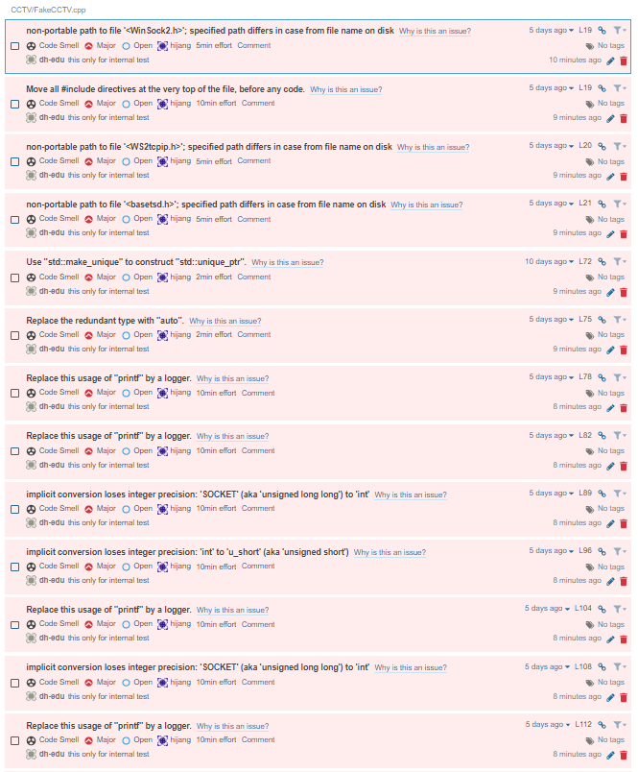
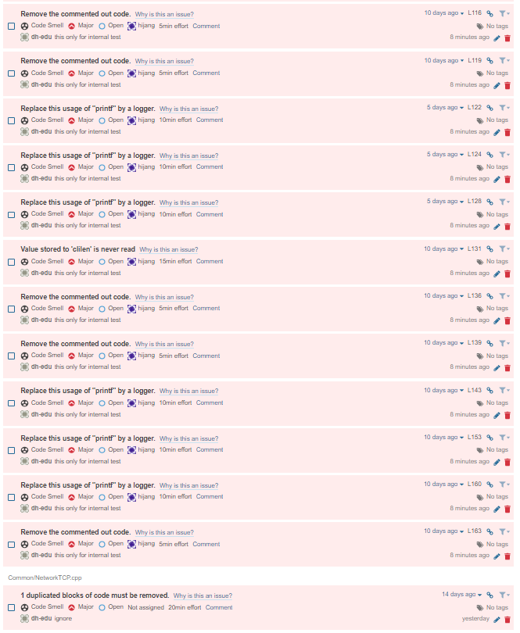
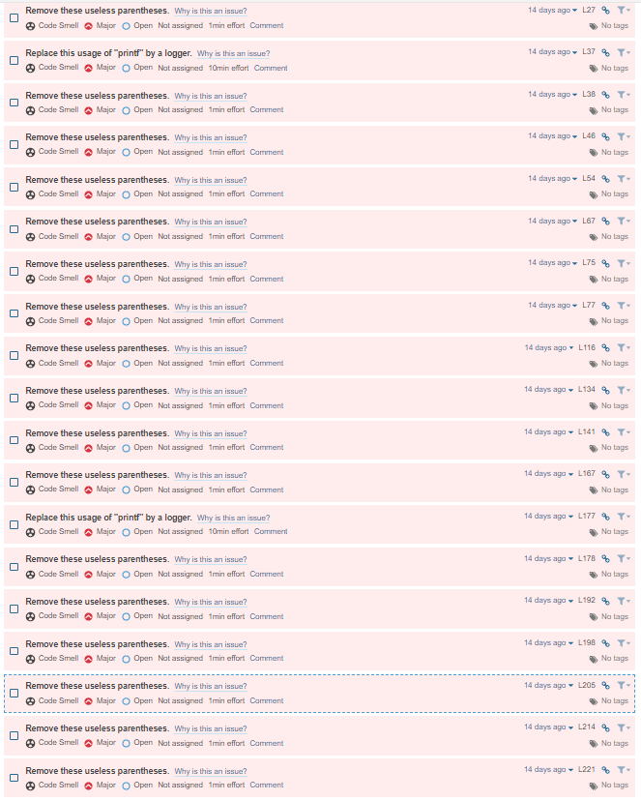
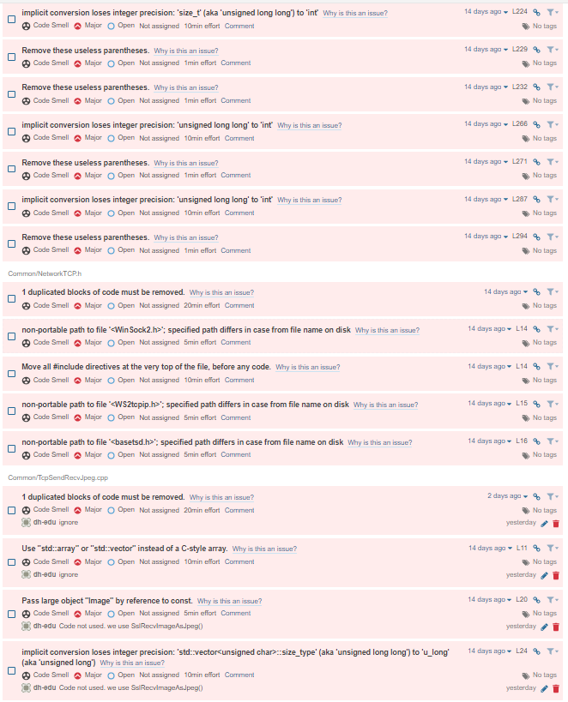
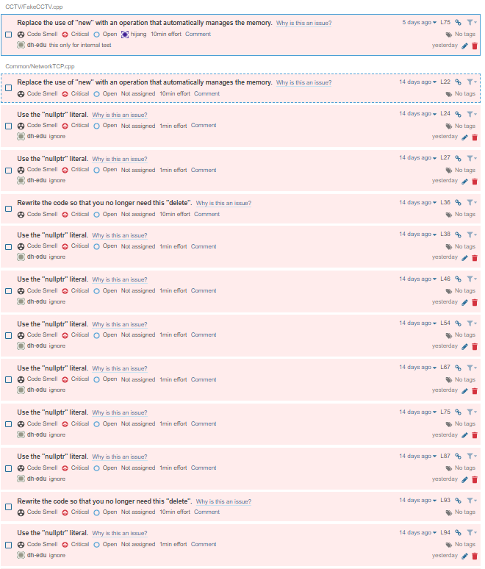
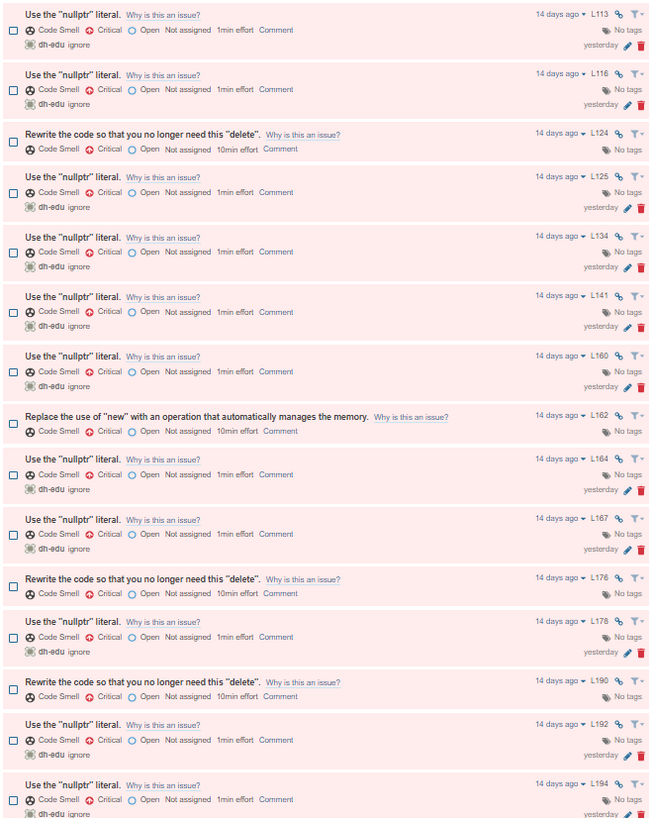
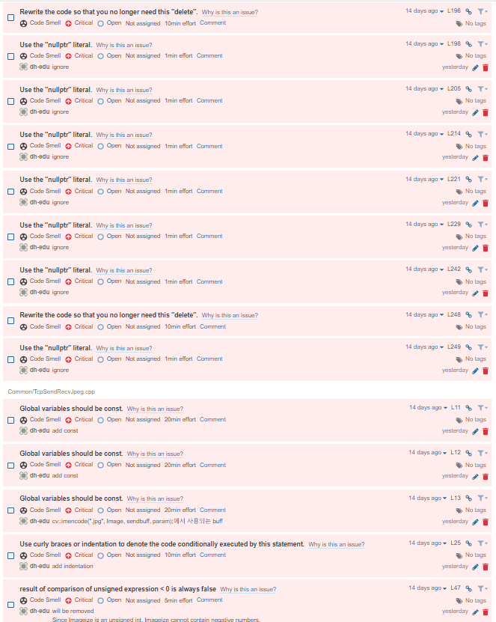
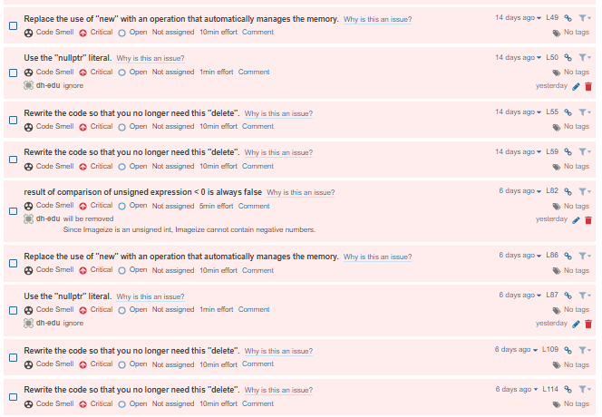
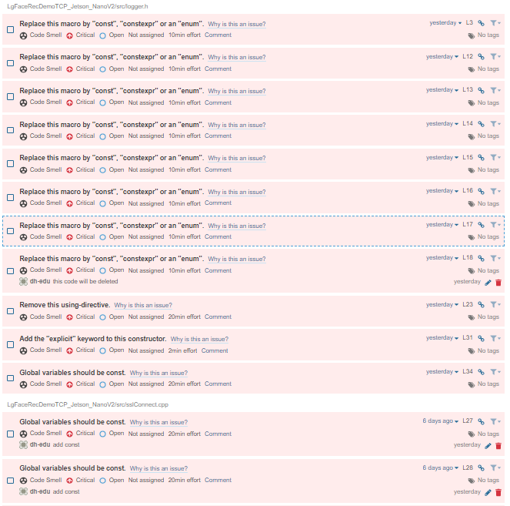
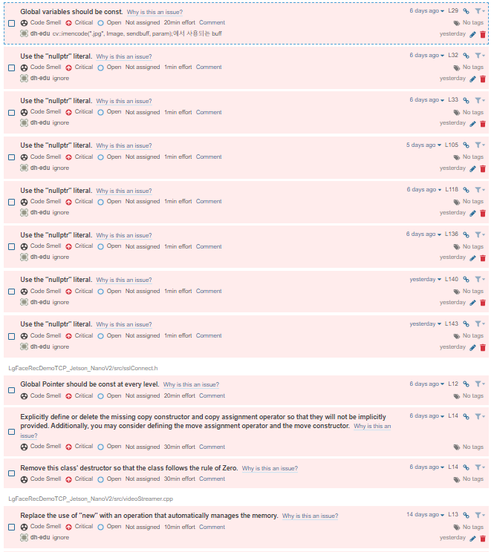
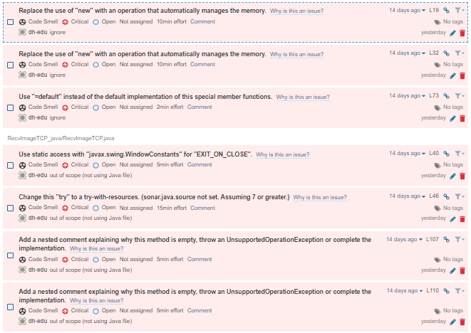
Common/TcpSendRecvJpeg.cpp
Contents | line | link
Global variables should be const. | L11 | https://sonarcloud.io/project/issues?id=hijang_lsc_cctv&issues=AXoJq4RFmmap4g0iz4LY&open=AXoJq4RFmmap4g0iz4LY | add const
Global variables should be const. | L12 | https://sonarcloud.io/project/issues?id=hijang_lsc_cctv&issues=AXoJq4RFmmap4g0iz4LZ&open=AXoJq4RFmmap4g0iz4LZ | add const
Global variables should be const. | L13 | https://sonarcloud.io/project/issues?id=hijang_lsc_cctv&issues=AXoJq4RFmmap4g0iz4La&open=AXoJq4RFmmap4g0iz4La | cv::imencode(".jpg", Image, sendbuff, param);에서 사용되는 buff
Use curly braces or indentation to denote the code conditionally executed by this statement. | L25 | https://sonarcloud.io/project/issues?id=hijang_lsc_cctv&issues=AXoJq4RFmmap4g0iz4Lc&open=AXoJq4RFmmap4g0iz4Lc | add indentation
result of comparison of unsigned expression < 0 is always false | L47 | https://sonarcloud.io/project/issues?id=hijang_lsc_cctv&issues=AXoJq4RFmmap4g0iz4LT&open=AXoJq4RFmmap4g0iz4LT | will be removed Since Imageize is an unsigned int, Imageize cannot contain negative numbers.
result of comparison of unsigned expression < 0 is always false | L82 | https://sonarcloud.io/project/issues?id=hijang_lsc_cctv&issues=AXoJq4RFmmap4g0iz4LU&open=AXoJq4RFmmap4g0iz4LU | removed. Since Imageize is an unsigned int, Imageize cannot contain negative numbers.
Remove the commented out code. | L84 | https://sonarcloud.io/project/issues?id=hijang_lsc_cctv&issues=AXoJq4RFmmap4g0iz4LV&open=AXoJq4RFmmap4g0iz4LV | this is for debugging. it will be deleted.
Remove the commented out code. | L103 | https://sonarcloud.io/project/issues?id=hijang_lsc_cctv&issues=AXoJq4RFmmap4g0iz4LW&open=AXoJq4RFmmap4g0iz4LW | this is for debugging. it will be deleted.

LgFaceRecDemoTCP_Jetson_NanoV2/src/sslConnect.h
private field 'listen_sd' is not used | L18 | https://sonarcloud.io/project/issues?id=hijang_lsc_cctv&issues=AXoJq4M3mmap4g0iz4Jw&open=AXoJq4M3mmap4g0iz4Jw | delete

LgFaceRecDemoTCP_Jetson_NanoV2/src/sslConnect.cpp
Make the type of this variable a pointer-to-const. The current type of "cert" is "struct x509_st *". | L54 | https://sonarcloud.io/project/issues?id=hijang_lsc_cctv&issues=AXoJq4NMmmap4g0iz4KF&open=AXoJq4NMmmap4g0iz4KF | add const
Make the type of this variable a pointer-to-const. The current type of "ssl" is "struct ssl_st *". | L55 | https://sonarcloud.io/project/issues?id=hijang_lsc_cctv&issues=AXoJq4NMmmap4g0iz4KG&open=AXoJq4NMmmap4g0iz4KG | delete the unused variable 'ssl'
unused variable 'ssl' | L55 | https://sonarcloud.io/project/issues?id=hijang_lsc_cctv&issues=AXoNFu-AAksyotyEylT4&open=AXoNFu-AAksyotyEylT4 | delete the unused variable 'ssl'
Global variables should be const. | L27 | https://sonarcloud.io/project/issues?id=hijang_lsc_cctv&issues=AXoJq4NMmmap4g0iz4J9&open=AXoJq4NMmmap4g0iz4J9 | add const
Global variables should be const. | L28 | https://sonarcloud.io/project/issues?id=hijang_lsc_cctv&issues=AXoJq4NMmmap4g0iz4J-&open=AXoJq4NMmmap4g0iz4J- | add const
Global variables should be const. | L29 | https://sonarcloud.io/project/issues?id=hijang_lsc_cctv&issues=AXoJq4NMmmap4g0iz4J_&open=AXoJq4NMmmap4g0iz4J_ | cv::imencode(".jpg", Image, sendbuff, param);에서 사용되는 buff
Pass large object "filename" by reference to const. | L31 | https://sonarcloud.io/project/issues?id=hijang_lsc_cctv&issues=AXoJq4Nhmmap4g0iz4Ko&open=AXoJq4Nhmmap4g0iz4Ko | ignore
Remove the unused parameter "videoWith" or make it unnamed. | L31 | https://sonarcloud.io/project/issues?id=hijang_lsc_cctv&issues=AXoJq4Nhmmap4g0iz4Kp&open=AXoJq4Nhmmap4g0iz4Kp
Remove the unused parameter "videoHeight" or make it unnamed. | L31 | https://sonarcloud.io/project/issues?id=hijang_lsc_cctv&issues=AXoJq4Nhmmap4g0iz4Kq&open=AXoJq4Nhmmap4g0iz4Kq
This function should be declared const. | L47 | https://sonarcloud.io/project/issues?id=hijang_lsc_cctv&issues=AXoJq4Nhmmap4g0iz4Kt&open=AXoJq4Nhmmap4g0iz4Kt

